triangulo
x0 | 0
x1 | 4
num_segmentos | 4

w | 1 |  |  | 0.33333333333

x | f(x) = 2x
 |  | multiplicador
0 | 0 | 1 | 0 | 0
1 | 2 | 4 | 8 | 2.6666666667
2 | 4 | 2 | 8 | 2.6666666667
3 | 6 | 4 | 24 | 8
4 | 8 | 1 | 8 | 2.6666666667

 |  | sum | 48 | 16
 |  |  | int
 | Comprabacion | 2x | x^2 | 16 | 4
 |  |  |  | 0 | 0
 |  |  |  | 16

x^2
x0 | 0
x1 | 1
num_segmentos | 4

w | 0.25 |  | w/3 | 0.083333333333

x | f(x) = x^2 | multiplicador

0 | 0 | 1 | 0 | 0
0.25 | 0.0625 | 4 | 0.25 | 0.020833333333
0.5 | 0.25 | 2 | 0.5 | 0.041666666667
0.75 | 0.5625 | 4 | 2.25 | 0.1875
1 | 1 | 1 | 1 | 0.083333333333

 |  | sum | 4 | 0.33333333333

 |  | x^3/3 | 1 | 1/3
 |  |  | 0 | 0
 |  |  |  | 0.33333333333

1 entre x
x0 | 1
x1 | 4
num_segmentos | 6

w | 0.5 |  | w/3 | 0.16666666667

x | f(x) = 1/x

1 | 1 | 1 | 1 | 0.16666666667
1.5 | 0.66666666667 | 4 | 2.6666666667 | 0.44444444444
2 | 0.5 | 2 | 1 | 0.16666666667
2.5 | 0.4 | 4 | 1.6 | 0.26666666667
3 | 0.33333333333 | 2 | 0.66666666667 | 0.11111111111
3.5 | 0.28571428571 | 4 | 1.1428571429 | 0.19047619048
4 | 0.25 | 1 | 0.25 | 0.041666666667

 |  | sum | 8.0761904762 | 1.3876984127

 |  |  |  |  | iter |  | Error
 |  |  |  |  | 1 | 1.3876984127 | 0.001 | 0.0012899137899
 |  |  |  |  | 2 | 1.3864084989
x0 | 1
x1 | 4
num_segmentos | 12

w | 0.25 |  | w/3 | 0.083333333333

x | f(x) = 1/x

1 | 1 | 1 | 1 | 0.083333333333
1.25 | 0.8 | 4 | 3.2 | 0.26666666667
1.5 | 0.66666666667 | 2 | 1.3333333333 | 0.11111111111
1.75 | 0.57142857143 | 4 | 2.2857142857 | 0.19047619048
2 | 0.5 | 2 | 1 | 0.083333333333
2.25 | 0.44444444444 | 4 | 1.7777777778 | 0.14814814815
2.5 | 0.4 | 2 | 0.8 | 0.066666666667
2.75 | 0.36363636364 | 4 | 1.4545454545 | 0.12121212121
3 | 0.33333333333 | 2 | 0.66666666667 | 0.055555555556
3.25 | 0.30769230769 | 4 | 1.2307692308 | 0.10256410256
3.5 | 0.28571428571 | 2 | 0.57142857143 | 0.047619047619
3.75 | 0.26666666667 | 4 | 1.0666666667 | 0.088888888889
4 | 0.25 | 1 | 0.25 | 0.020833333333

 |  | sum | 16.386901987 | 1.3864084989

t-student
 | x0 | 0
 | x | 1.1
 | num_segmentos | 10
 | dof | 9
 | w | 0.11 | w/3 | 0.036666666667
 |  |  | 24
 | x | f(x) = …
 |  | p1 | p2 | cons | f(X)
0 | 0 | 1 | 1 | 0.38803490887 | 0.38803490887 | 1 | 0.014227946659
1 | 0.11 | 1.0013444444 | 0.99330480591 | 0.38803490887 | 0.38543693984 | 4 | 0.056530751177
2 | 0.22 | 1.0053777778 | 0.97353953302 | 0.38803490887 | 0.37776732398 | 2 | 0.027702937092
3 | 0.33 | 1.0121 | 0.94163561384 | 0.38803490887 | 0.36538748961 | 4 | 0.053590165142
4 | 0.44 | 1.0215111111 | 0.89905140825 | 0.38803490887 | 0.34886333127 | 2 | 0.02558331096
5 | 0.55 | 1.0336111111 | 0.84764529109 | 0.38803490887 | 0.32891596328 | 4 | 0.048241007948
6 | 0.66 | 1.0484 | 0.78952327713 | 0.38803490887 | 0.30636259289 | 2 | 0.022466590146
7 | 0.77 | 1.0658777778 | 0.72688040421 | 0.38803490887 | 0.28205497141 | 4 | 0.041368062473
8 | 0.88 | 1.0860444444 | 0.66185371096 | 0.38803490887 | 0.25682234442 | 2 | 0.018833638591
9 | 0.99 | 1.1089 | 0.59640061501 | 0.38803490887 | 0.2314242583 | 4 | 0.03394222455
10 | 1.1 | 1.1344444444 | 0.53221098804 | 0.38803490887 | 0.20651644224 | 1 | 0.007572269549

 |  | 11.517611111 | 8.9620456475 |  |  | sum | 0.35005890429

 |  |  |  |  |  | Error | 0.00001
 |  |  |  |  |  | iter 1 | 0.35005890429 | 0.0000002674
 |  |  |  |  |  | iter 2 | 0.3500586369

 | x0 | 0
 | x | 1.1
 | num_segmentos | 20
 | dof | 9
 | w | 0.055 | w/3 | 0.018333333333
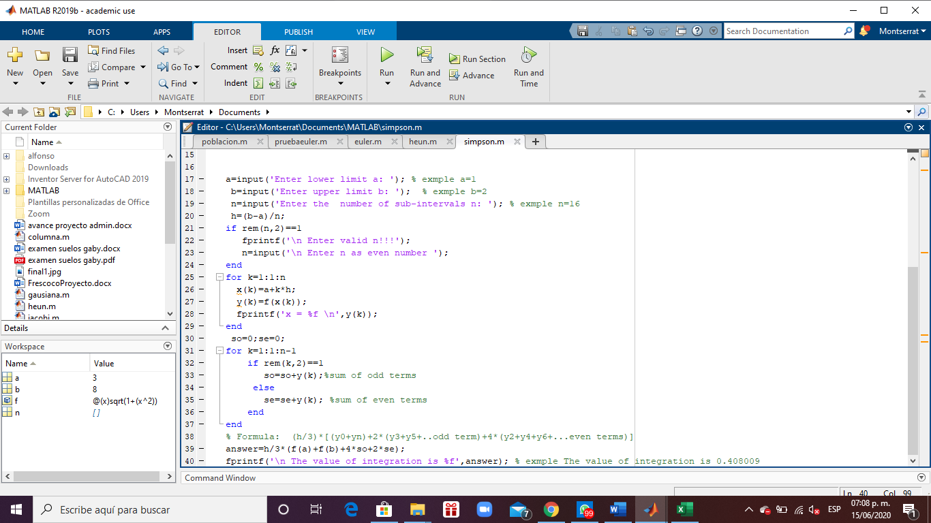
 |  |  | 24
 | x | f(x) = …
 |  | p1 | p2 | cons | f(X)
0 | 0 | 1 | 1 | 0.38803490887 | 0.38803490887 | 1 | 0.0071139733293
1 | 0.055 | 1.0003361111 | 0.99832113768 | 0.38803490887 | 0.38738345168 | 4 | 0.02840811979
2 | 0.11 | 1.0013444444 | 0.99330480591 | 0.38803490887 | 0.38543693984 | 2 | 0.014132687794
3 | 0.165 | 1.003025 | 0.98501129638 | 0.38803490887 | 0.38221876863 | 4 | 0.028029376366
4 | 0.22 | 1.0053777778 | 0.97353953302 | 0.38803490887 | 0.37776732398 | 2 | 0.013851468546
5 | 0.275 | 1.0084027778 | 0.95902478977 | 0.38803490887 | 0.3721350969 | 4 | 0.027289907106
6 | 0.33 | 1.0121 | 0.94163561384 | 0.38803490887 | 0.36538748961 | 2 | 0.013397541286
7 | 0.385 | 1.0164694444 | 0.92157006575 | 0.38803490887 | 0.35760135648 | 4 | 0.026224099475
8 | 0.44 | 1.0215111111 | 0.89905140825 | 0.38803490887 | 0.34886333127 | 2 | 0.01279165548
9 | 0.495 | 1.027225 | 0.87432339175 | 0.38803490887 | 0.33926799764 | 4 | 0.02487965316
10 | 0.55 | 1.0336111111 | 0.84764529109 | 0.38803490887 | 0.32891596328 | 2 | 0.012060251987
11 | 0.605 | 1.0406694444 | 0.81928684918 | 0.38803490887 | 0.31791189786 | 4 | 0.023313539176
12 | 0.66 | 1.0484 | 0.78952327713 | 0.38803490887 | 0.30636259289 | 2 | 0.011233295073
13 | 0.715 | 1.0568027778 | 0.75863044794 | 0.38803490887 | 0.29437509673 | 4 | 0.021587507094
14 | 0.77 | 1.0658777778 | 0.72688040421 | 0.38803490887 | 0.28205497141 | 2 | 0.010342015618
15 | 0.825 | 1.075625 | 0.69453727959 | 0.38803490887 | 0.26950470999 | 4 | 0.019763678733
16 | 0.88 | 1.0860444444 | 0.66185371096 | 0.38803490887 | 0.25682234442 | 2 | 0.0094168192954
17 | 0.935 | 1.0971361111 | 0.62906779444 | 0.38803490887 | 0.24410026429 | 4 | 0.017900686048
18 | 0.99 | 1.1089 | 0.59640061501 | 0.38803490887 | 0.2314242583 | 2 | 0.0084855561376
19 | 1.045 | 1.1213361111 | 0.56405435769 | 0.38803490887 | 0.21887278128 | 4 | 0.016050670628
20 | 1.1 | 1.1344444444 | 0.53221098804 | 0.38803490887 | 0.20651644224 | 1 | 0.0037861347745

 |  | 21.964638889 | 17.165873058 |  |  | sum | 0.3500586369

